Sheet1
MSGM FELPE DONNA
PHOTOS | MODEL | SIZE | COLOR DESC. | MADE IN | RETAIL PRICE | Q.TY
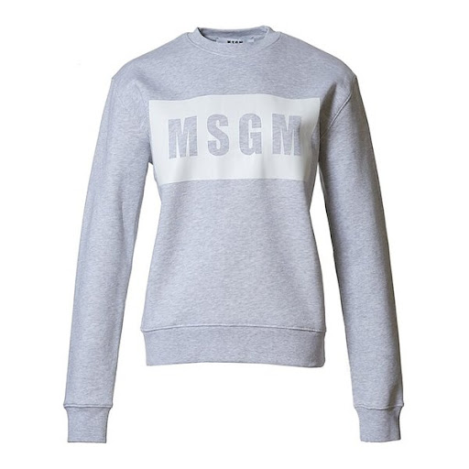 | 2741MDM96 | (4) XS - (4) S - (5) M | GRIGIO | ITALY | € 197.00 | 13
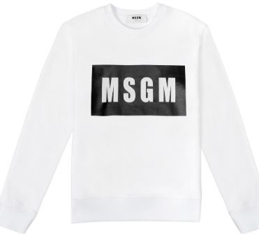 | 2741MDM96 | (2) XS - (2) S | BIANCO | ITALY | € 197.00 | 4
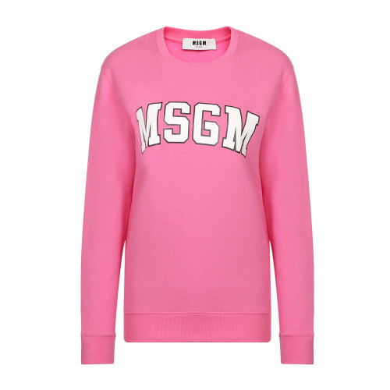 | 2741MDM163 | (2) XS - (2) M | ROSA | ITALY | € 179.00 | 4
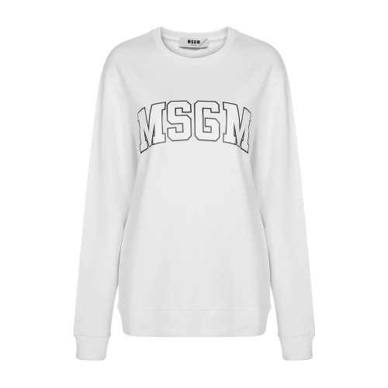 | 2741MDM163 | (2) XS - (1) S- (2) M- (1) L | WHITE | ITALY | € 179.00 | 6
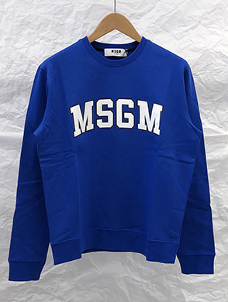 | 2741MDM163 | (1) XS | BLU | ITALY | € 179.00 | 1
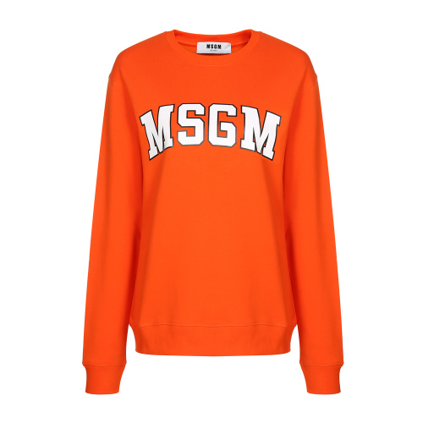 | 2741MDM163 | (1) L | ROSSO | ITALY | € 179.00 | 1
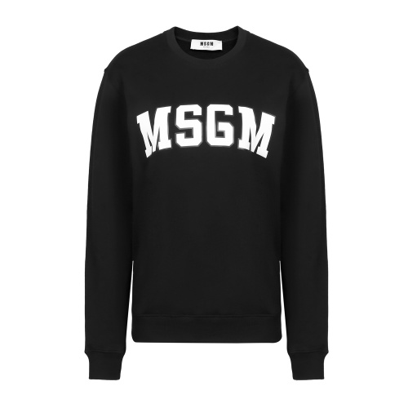 | 2741MDM163 | (3) L | NERO | ITALY | € 179.00 | 3
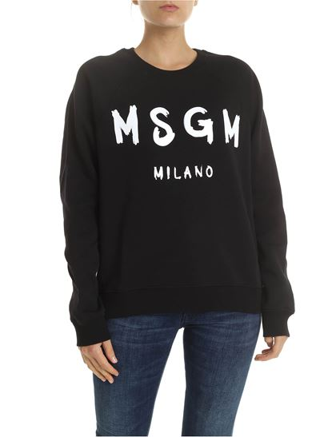 | 2741MDM89 | (1) S - (5)XS - (6) M | NERO | ITALY | € 197.00 | 12
 | 2741MDM89 | (1) XS - (2) M - (1) L - (2) XL | VIOLA | ITALY | € 197.00 | 6
 | 2741MDM89 | (8) M - (3) L | BIANCO | ITALY | € 197.00 | 11
 | 2741MDM89 | (4) XS - (1) S - (1) M - (2) L - (2) XL | CUOIO | ITALY | € 197.00 | 10
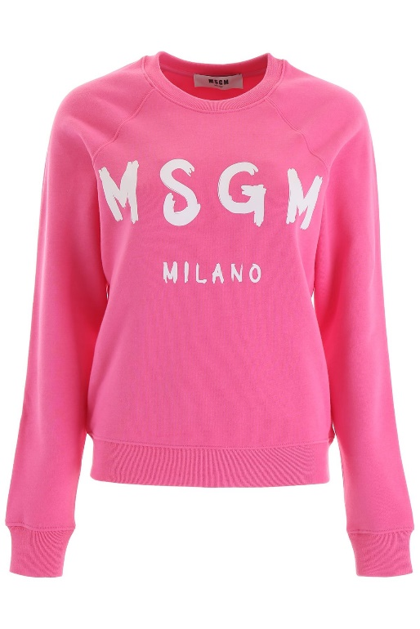 | 2741MDM89 | (3) XS - (4) M - (6) L | ROSA | ITALY | € 197.00 | 13
 |  |  |  |  |  | 84

